Sheet1
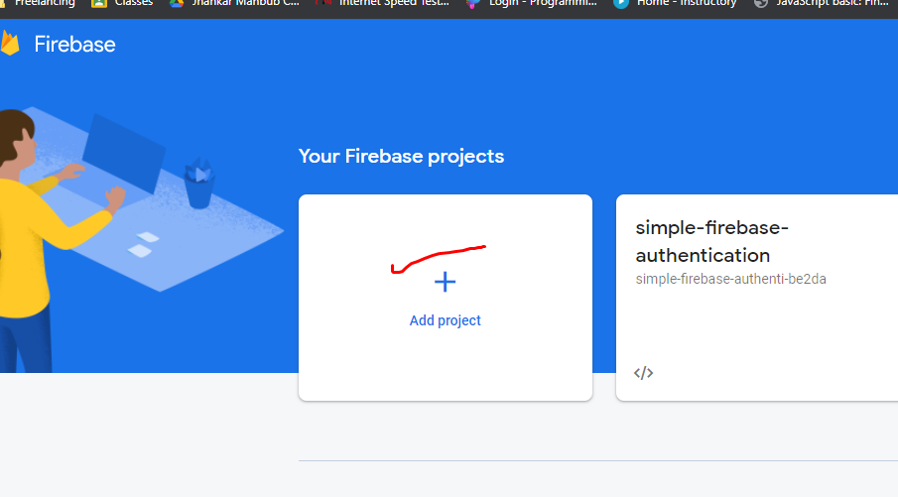
1 | Create a project on console.firebase.google.com

